Exp1
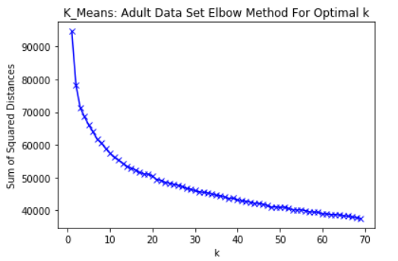
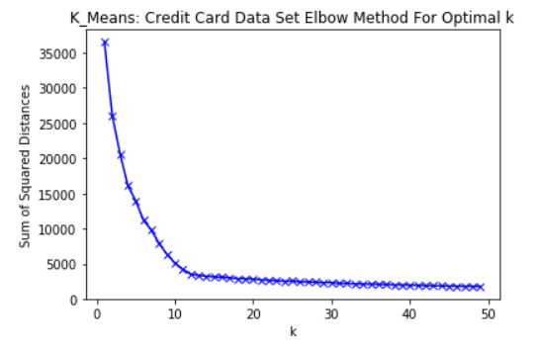

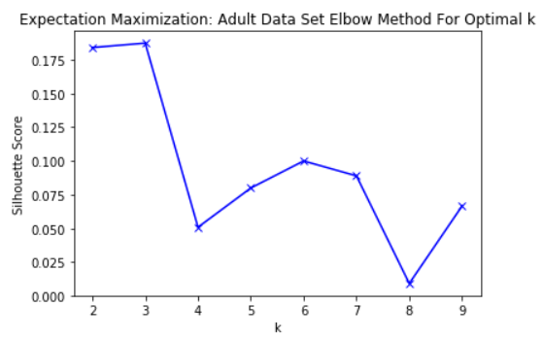
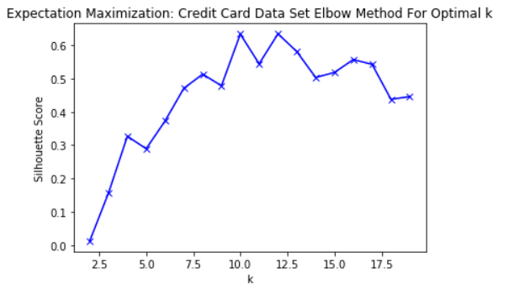

Adult Data Set
Cluster Model | Number of Clusters | Time (seconds) | Homogeneity Score | Completeness Score | V Measure Score (VM) | Adjusted Rand Index Score (ARI) | Adjusted Mutual Information Score (AMI) | Silhouette Score
K-Means (KM) | 3 | 1.43 | 0.256 | 0.902 | 0.399 | 0.081 | 0.256 | 0.162
 | 10 | 2.83 | 0.224 | 0.056 | 0.09 | 0.018 | 0.056 | 0.103
 | 20 | 4.85 | 0.271 | 0.052 | 0.087 | 0.016 | 0.052 | 0.083
 | 30 | 6.48 | 0.288 | 0.049 | 0.083 | 0.013 | 0.048 | 0.13
 | 40 | 8.33 | 0.289 | 0.045 | 0.078 | 0.011 | 0.045 | 0.03
 | 50 | 9.9 | 0.292 | 0.043 | 0.075 | 0.007 | 0.043 | 0.074
Expectation Maximization (EM) | 3 | 2.03 | 0.225 | 0.799 | 0.351 | 0.076 | 0.224 | 0.183
 | 10 | 5.18 | 0.233 | 0.059 | 0.095 | 0.017 | 0.059 | 0.057
 | 20 | 15.14 | 0.263 | 0.053 | 0.089 | 0.033 | 0.053 | 0.013
 | 30 | 24.34 | 0.248 | 0.046 | 0.077 | 0.015 | 0.045 | 0.023
 | 40 | 26.49 | 0.273 | 0.043 | 0.075 | 0.01 | 0.043 | 0.036
 | 50 | 48.31 | 0.292 | 0.043 | 0.075 | 0.007 | 0.043 | 0.018

Credit Card Data Set
Cluster Model | Number of Clusters | Time (seconds) | Homogeneity Score | Completeness Score | V Measure Score (VM) | Adjusted Rand Index Score (ARI) | Adjusted Mutual Information Score (AMI) | Silhouette Score
K-Means (KM) | 10 | 0.57 | 0.006 | 0.001 | 0.002 | 0.002 | 0.001 | 0.617
 | 20 | 1.99 | 0.03 | 0.006 | 0.01 | 0.002 | 0.006 | 0.372
 | 30 | 3.64 | 0.056 | 0.01 | 0.017 | 0.005 | 0.009 | 0.319
 | 40 | 5.39 | 0.056 | 0.009 | 0.015 | 0.002 | 0.008 | 0.281
 | 50 | 6.99 | 0.076 | 0.011 | 0.019 | 0.003 | 0.011 | 0.295
Expectation Maximization (EM) | 10 | 0.58 | 0.005 | 0.001 | 0.002 | 0.002 | 0.001 | 0.668
 | 20 | 6.95 | 0.014 | 0.003 | 0.005 | 0 | 0.003 | 0.372
 | 30 | 10 | 0.019 | 0.003 | 0.006 | -0.002 | 0.003 | 0.302
 | 40 | 24.52 | 0.033 | 0.005 | 0.009 | -0.002 | 0.005 | 0.047
 | 50 | 47.06 | 0.047 | 0.007 | 0.012 | 0 | 0.007 | 0.029

Exp2
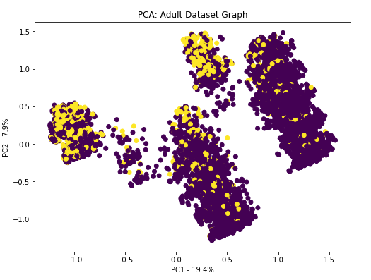
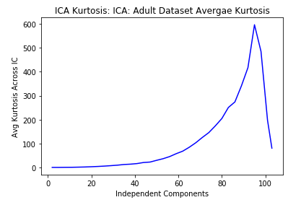
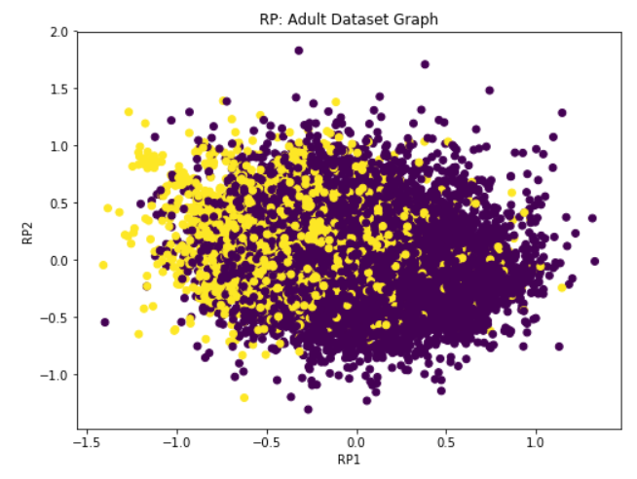
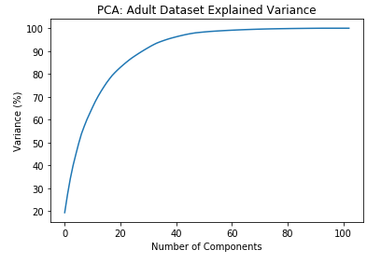

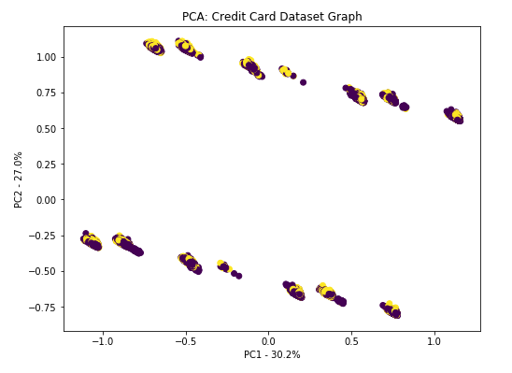
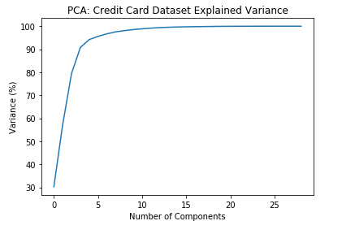
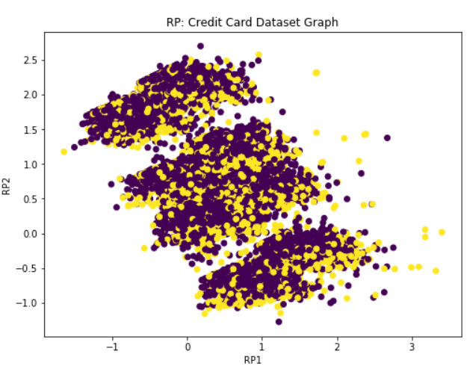
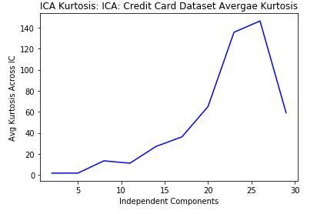

Exp3
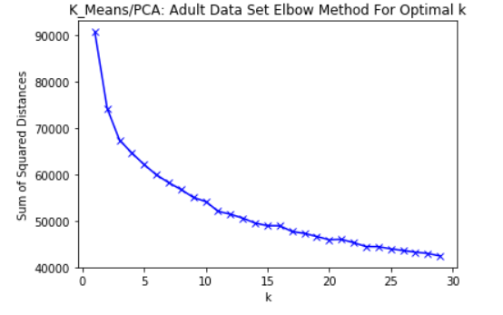
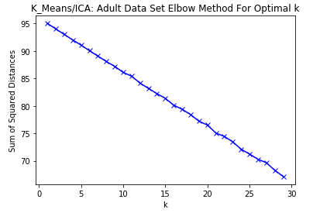
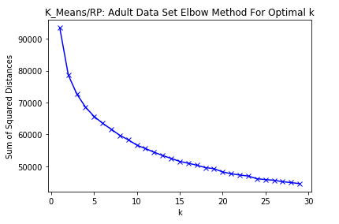
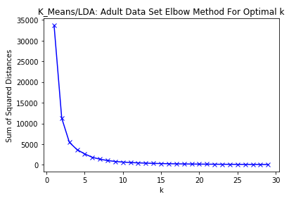

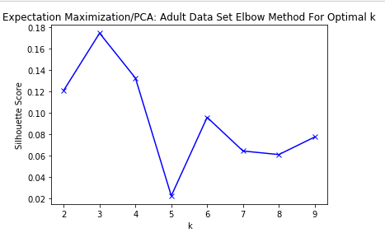
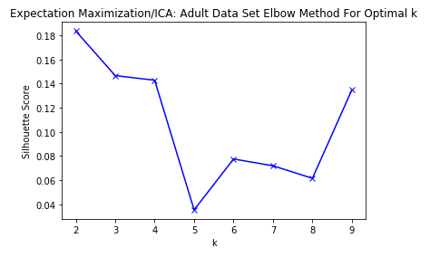
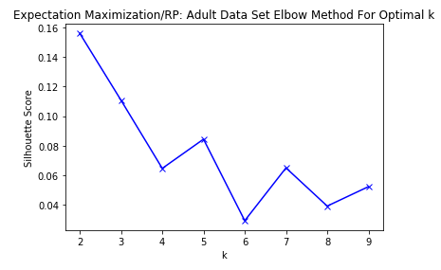
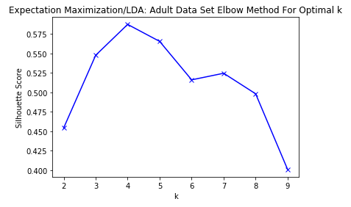

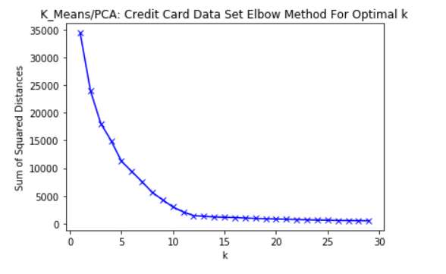
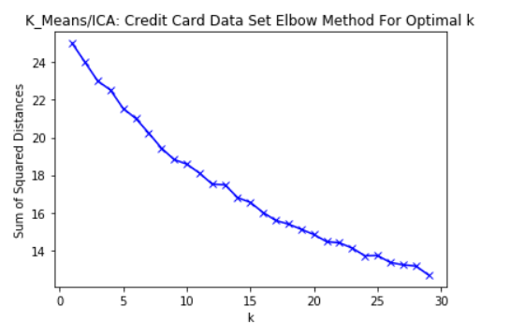
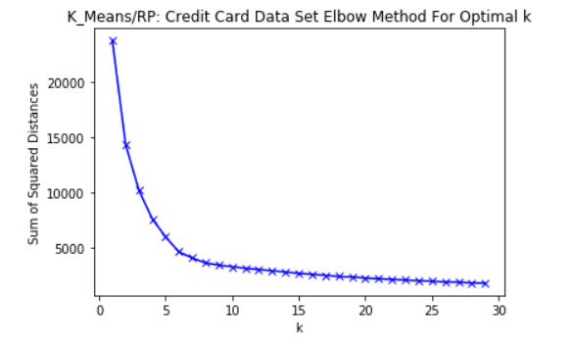
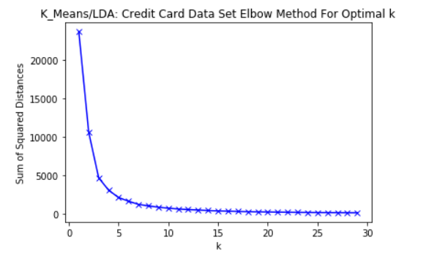

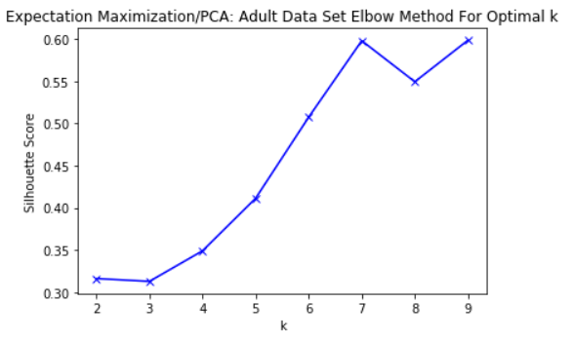
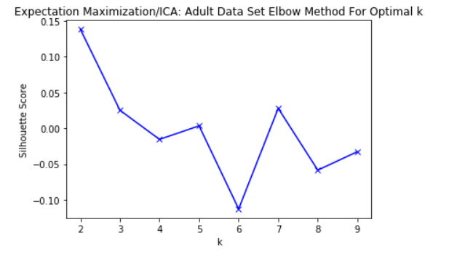
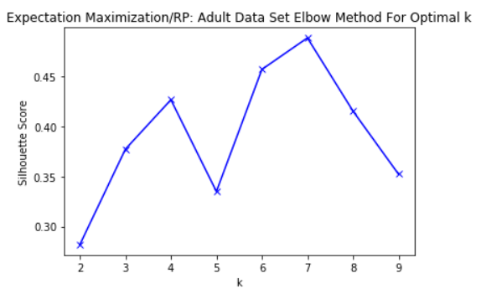
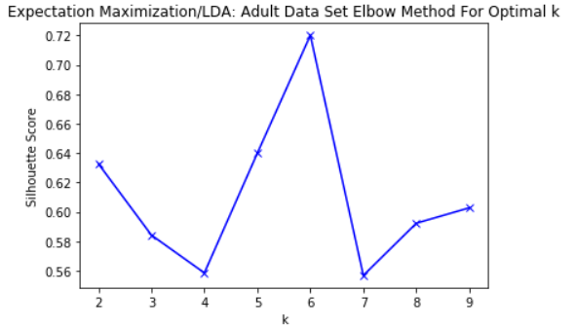

Adult Data Set
Cluster Model | Dimensionality Model | Optimal Number of Clusters | Time (seconds) | Homogeneity Score | Completeness Score | V Measure Score (VM) | Adjusted Rand Index Score (ARI) | Adjusted Mutual Information Score (AMI) | Silhouette Score
K-Means (KM) | No Reduction Applied | 20 | 4.850 | 0.271 | 0.052 | 0.087 | 0.016 | 0.052 | 0.083
 | PCA | 10 | 1.530 | 0.261 | 0.065 | 0.104 | 0.029 | 0.065 | 0.122
 | ICA | 20 | 2.590 | 0.084 | 0.029 | 0.043 | 0.016 | 0.029 | -0.057
 | RP | 10 | 2.560 | 0.222 | 0.055 | 0.088 | 0.035 | 0.055 | 0.086
 | LDA | 5 | 1.100 | 0.191 | 0.067 | 0.099 | 0.046 | 0.067 | 0.121
Expectation Maximization (EM) | No Reduction Applied | 3 | 2.030 | 0.225 | 0.799 | 0.351 | 0.076 | 0.224 | 0.183
 | PCA | 3 | 0.260 | 0.145 | 0.076 | 0.100 | 0.041 | 0.076 | 0.188
 | ICA | 2 | 0.310 | 0.143 | 0.027 | 0.180 | 0.056 | 0.071 | 0.182
 | RP | 2 | 0.250 | 0.146 | 0.121 | 0.133 | 0.179 | 0.121 | 0.114
 | LDA | 4 | 0.810 | 0.147 | 0.063 | 0.088 | 0.025 | 0.063 | 0.128
Credit Card Data Set
K-Means (KM) | No Reduction Applied | 10 | 0.570 | 0.006 | 0.001 | 0.002 | 0.002 | 0.001 | 0.617
 | PCA | 10 | 0.340 | 0.006 | 0.001 | 0.002 | 0.002 | 0.001 | 0.781
 | ICA | 20 | 3.170 | 0.059 | 0.013 | 0.021 | 0.009 | 0.013 | 0.047
 | RP | 5 | 0.180 | 0.002 | 0.001 | 0.001 | -0.003 | 0.001 | 0.386
 | LDA | 5 | 0.500 | 0.130 | 0.054 | 0.076 | 0.077 | 0.053 | 0.606
Expectation Maximization (EM) | No Reduction Applied | 10 | 0.580 | 0.005 | 0.001 | 0.002 | 0.002 | 0.001 | 0.668
 | PCA | 7 | 0.130 | 0.005 | 0.001 | 0.002 | 0.001 | 0.001 | 0.586
 | ICA | 2 | 0.360 | 0.012 | 0.012 | 0.012 | -0.043 | 0.012 | 0.230
 | RP | 7 | 0.130 | 0.003 | 0.001 | 0.001 | 0.001 | 0.001 | 0.387
 | LDA | 6 | 0.060 | 0.132 | 0.052 | 0.074 | 0.085 | 0.052 | 0.569

Exp4
Adult Data Set (Learning Rate = 0.1, Momentum = 0.1, Hidden Layers = 1, Hidden Nodes = 4) |  |  |  |  |  | Credit Card Data Set (Learning Rate = 0.1, Momentum = 0.1, Hidden Layers = 1, Hidden Nodes = 4)
Datset Used | Model Build Time (sec) | Model Test Time (sec) | Training Accuracy | Test Accuracy |  | Datset Used | Model Build Time (sec) | Model Test Time (sec) | Training Accuracy | Test Accuracy
Original | 4.868 | 0.030 | 83.835% | 83.136% |  | Original | 3.510 | 0.020 | 81.057% | 81.736%
PCA | 4.065 | 0.012 | 83.697% | 83.545% |  | PCA | 3.246 | 0.030 | 79.773% | 80.723%
ICA | 4.593 | 0.060 | 75.020% | 75.312% |  | ICA | 3.560 | 0.040 | 77.432% | 78.279%
RP | 3.560 | 0.003 | 81.940% | 74.914% |  | RP | 3.210 | 0.020 | 77.688% | 78.392%
LDA | 2.060 | 0.001 | 83.801% | 84.087% |  | LDA | 2.040 | 0.010 | 81.274% | 81.950%

Adult Data Set
Hidden Layers | PCA Training Accuracy | PCA Test Accuracy | ICA Training Accuracy | ICA Test Accuracy | RP Training Accuracy | RP Test Accuracy | LDA Training Accuracy | LDA Test Accuracy
2 | 83.7% | 83.4% | 75.0% | 75.3% | 81.8% | 74.8% | 83.8% | 84.1%
5 | 83.5% | 83.3% | 75.0% | 75.3% | 82.2% | 70.3% | 83.8% | 84.0%
10 | 75.0% | 75.3% | 75.0% | 75.3% | 81.8% | 73.8% | 75.0% | 75.3%
15 | 75.0% | 75.3% | 75.0% | 75.3% | 75.0% | 75.3% | 75.0% | 75.3%

Credit Card Data Set
Hidden Layers | PCA Training Accuracy | PCA Test Accuracy | ICA Training Accuracy | ICA Test Accuracy | RP Training Accuracy | RP Test Accuracy | LDA Training Accuracy | LDA Test Accuracy
2 | 80.0% | 80.8% | 77.4% | 78.3% | 77.7% | 78.4% | 81.4% | 82.0%
5 | 80.1% | 80.9% | 77.4% | 78.3% | 78.9% | 76.4% | 81.2% | 82.0%
10 | 77.4% | 78.3% | 77.4% | 78.3% | 77.4% | 78.3% | 77.4% | 78.3%
15 | 77.4% | 78.3% | 77.4% | 78.3% | 77.4% | 78.3% | 77.4% | 78.3%

Adult Data Set Accuracy Vs Hidden Layers
Credit Card Data Set Accuracy Vs Hidden Layers

Exp5
Cluster Model | Dimensionality Model | Optimal Number of Clusters
 |  | Credit Card Data set
K-Means (KM) | PCA | 10
 | ICA | 20
 | RP | 5
 | LDA | 5
Expectation Maximization (EM) | PCA | 7
 | ICA | 2
 | RP | 7
 | LDA | 6

Adult Data Set Using the KM Model Cluster (Learning Rate = 0.1, Momentum = 0.1, Hidden Layers = 1, Hidden Nodes = 4) |  |  |  | Credit Card Data Set Using the KM Model Cluster (Learning Rate = 0.1, Momentum = 0.1, Hidden Layers = 1, Hidden Nodes = 4)
Datset Used | Model Build Time (sec) | Training Accuracy |  | Datset Used | Model Build Time (sec) | Model Test Time (sec) | Training Accuracy | Test Accuracy
PCA | 8.068 | 83.888% |  | PCA | 8.045 | 0.010 | 81.454% | 81.253%
ICA | 4.286 | 84.560% |  | ICA | 4.182 | 0.250 | 80.212% | 80.054%
RP | 4.082 | 80.020% |  | RP | 3.012 | 0.110 | 79.363% | 79.582%
LDA | 4.123 | 84.556% |  | LDA | 2.040 | 0.010 | 82.574% | 82.465%

Adult Data Set Using the EM Model Cluster (Learning Rate = 0.1, Momentum = 0.1, Hidden Layers = 1, Hidden Nodes = 4) |  |  |  | Credit Card Data Set Using the EM Model Cluster (Learning Rate = 0.1, Momentum = 0.1, Hidden Layers = 1, Hidden Nodes = 4)
Datset Used | Model Build Time (sec) | Training Accuracy |  | Datset Used | Model Build Time (sec) | Model Test Time (sec) | Training Accuracy | Test Accuracy
PCA | 7.560 | 82.045% |  | PCA | 7.125 | 0.020 | 80.014% | 80.009%
ICA | 7.284 | 82.013% |  | ICA | 3.256 | 0.020 | 80.256% | 80.054%
RP | 4.065 | 79.893% |  | RP | 3.154 | 0.020 | 81.233% | 81.264%
LDA | 3.128 | 84.156% |  | LDA | 2.140 | 0.010 | 81.508% | 81.312%

Datset Used | DRA | KMA | EMA | DRC | KMC | EMC
PCA | 84% | 84% | 82% | 80% | 81% | 80%
ICA | 75% | 85% | 82% | 77% | 80% | 80%
RP | 82% | 80% | 80% | 78% | 79% | 81%
LDA | 84% | 85% | 84% | 81% | 83% | 82%

Datset Used | DRA | KMA | EMA | DRC | KMC | EMC
PCA | 84% | 84% | 82% | 81% | 81% | 80%
ICA | 75% | 84% | 82% | 78% | 80% | 80%
RP | 75% | 80% | 80% | 78% | 80% | 81%
LDA | 84% | 84% | 84% | 82% | 82% | 81%

Training Accuracy
Testing Accuracy

